工作表1
Xmind
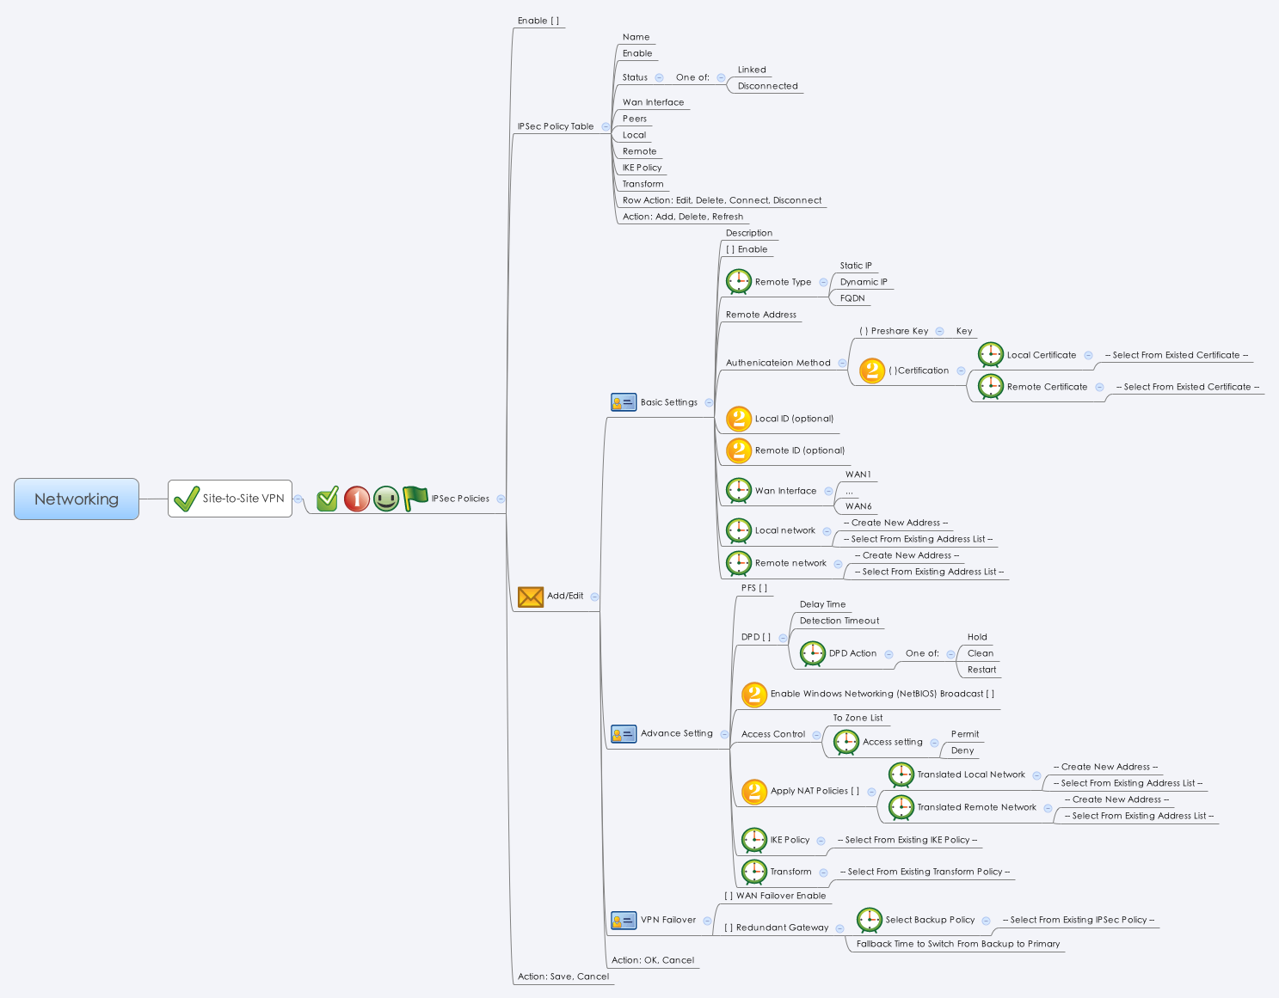

Behavior
1. 假如 infoStatus == 0，則把 Row Action 的 Disconnect 按鈕給 grayout。
2. 假如 infoStatus == 1，則把 Row Action 的 Connect 按鈕給 grayout。
3. 假如 infoStatus == 2，則把 Row Action 的 Connect 與 Disconnect 按鈕給 grayout。
4. 假如 Remote Type 選擇 Dynamic IP，則把 Remote Address 這個欄位給 grayout。
5. 假如 DPD 沒被勾選，則把 Delay Time / Detection Timeout / DPD Action 這三個欄位給 grayout。
6. 假如 Local network 的 Name 不是 "Any"，則把 Access Control 給 grayout。
7. 假如 Redundant Gateway 沒被勾選，則把 Select Backup Policy / Fallback Time to Switch From Backup to Primary 這兩個欄位給 grayout。
8. Row Action 的 Connect / Disconnect 按鈕需使用 s2svpnUpDown.cgi
9. 假如正在新增的 policy 的 Local network 與 Remote network 與現有的 policy 有一樣的設定，則當使用者按下 OK 按鈕時，要popup window 顯示出底下的警告訊息：You cannot enable two policies with same local and remote network.
10. 當使用者按下 Connect 後，持續透過 common_progress_list.cgi 得知 s2svpn 目前的連線情況，直到 percent 到 100。
11. 當 s2svpnEnable == 0，則把所有 policy 的 Connect 與 Disconnect 按鈕給 grayout。
12. 當 s2svpnEnable == 1，某條 policy 的 enable == 0，則把該 policy 的 Connect 與 Disconnect 按鈕給 grayout。
13. 每隔五秒透過 s2svpn.cgi 取得每條 Policy 的 狀態 (guiS2svpnT.infoStatus)，然後更新每條 policy 的 row action button。

Backup Policy Behavior for GUI
假設有 policy1 與 policy2 這兩條 s2svpn policies.
1. 當使用者編輯 policy1 時，Select Backup Policy 的 drop down list 裡不能有 policy1 (不能顯示當前編輯的 Policy，只能顯示出 policy2)
2. 當使用者編輯 policy1 並且選擇 policy2 來當 backup policy，當使用者按下 OK 的當下，必須 grayout policy2 的 Connect 與 Disconnect 按鈕。
3. 承 2，當使用者編輯 policy2 時，它的 Enable 與 Redundant Gateway 的 checkbox 會被 grayout。 當使用者按下 save 時，policy2 的該兩個欄位 post 的值為 0。
4. 承 2，當使用者 save 之後，policy 2 的 Connect 與 Disconnect 必須被 grayout。
5. 假設 policy2 的 Status 是 UP 狀態時，當使用者編輯 policy1，其 Select Backup Policy 的 Dropdown list 不能有 policy1 與 policy2。
6. 假設 policy2 是 policy1 的 backup policy，當使用者移除掉 policy2 時並按下 save 時，policy1 的 Redundant Gateway post 值會變成 0，Select Backup Policy 的 post 值會變成 empty string。

# Limitations: Max IPSec Policy Table Size = 100

[UI Display Name] | [CGI Name] | [JSON Name] | [Description] | [Restrictions]
Enable | s2svpn.cgi | s2svpnEnable | 0/1
IPSec Policy Table
Name | s2svpn.cgi | guiS2svpnT.name | String
Enable | s2svpn.cgi | guiS2svpnT.enable | 0/1
Status | s2svpn.cgi | guiS2svpnT.infoStatus | int: 0: Down, 1: Up, 2: Down
Wan Interface | s2svpn.cgi | guiS2svpnT.wanId | An integer gid. Use the gid to get wanName from common_wanIf_list.cgi
Peers | s2svpn.cgi | guiS2svpnT.remoteGw | String
Local | s2svpn.cgi | guiS2svpnT.localNetworkId | An integer gid. Use the gid to get localNetworkName from common_ip_list.cgi or common_gAddr_list.cgi
Remote | s2svpn.cgi | guiS2svpnT.remoteNetworkId | An integer gid. Use the gid to get remoteNetworkName from common_ip_list.cgi or common_gAddr_list.cgi
IKE Policy | s2svpn.cgi | guiS2svpnT.ikePolicyId | An integer gid. Use the gid to get ikePolicyName from ipsecike.cgi
Transform | s2svpn.cgi | guiS2svpnT.transformPolicyId | An integer gid. Use the gid to get transformPolicyName from ipsectransform.cgi
Row Action | s2svpn.cgi | guiS2svpnT.infoStatus | int: 0: Down, 1: Up, 2: Grayout Connect/Disconnect
Add/Edit - Basic Settings
Description | s2svpn.cgi | guiS2svpnT.name | All viewable ASCII code except (whitespace) ‘ ` “ % ? | Length: 63
Enable | s2svpn.cgi | guiS2svpnT.enable | 0/1
Remote Type | s2svpn.cgi | guiS2svpnT.remoteGwType | int: 0:Dynamic IP, 1: Static IP, 2: FQDN
Remote Address | s2svpn.cgi | guiS2svpnT.remoteGw | one of the following two types: ipaddr / domain | Length: 127
Authentication Method
Preshare Key | s2svpn.cgi | guiS2svpnT.phase1AuthType | int: 0: Preshare Key, 1: Certification
Key | s2svpn.cgi | guiS2svpnT.presharedkey | string: length 1~255 | Length: 255
Certification |  |  | Not available in this phase
Local Certificate |  |  | Not available in this phase
Remote Certificate |  |  | Not available in this phase
Local ID | s2svpn.cgi | guiS2svpnT.localId | one of the following two types: ipaddr / domain | Length: 127
Remote ID | s2svpn.cgi | guiS2svpnT.remoteId | one of the following two types: ipaddr / domain | Length: 127
Wan Interface | s2svpn.cgi | guiS2svpnT.wanId | An integer gid from common_wanIf_list.cgi
Local network | s2svpn.cgi | guiS2svpnT.localNetworkId | An integer gid from common_ip_list.cgi or common_gAddr_list.cgi
Remote network | s2svpn.cgi | guiS2svpnT.remoteNetworkId | An integer gid from common_ip_list.cgi or common_gAddr_list.cgi
Add/Edit - Advance Settings
PFS | s2svpn.cgi | guiS2svpnT.pfsEnable | 0/1
DPD | s2svpn.cgi | guiS2svpnT.dpdEnable | 0/1
Delay Time | s2svpn.cgi | guiS2svpnT.dpddelay | Range: 10~300. Default: 10 | Range: 10-300, Default: 10, Unit: Seconds
Detection Timeout | s2svpn.cgi | guiS2svpnT.dpdtimeout | Range: 30~1800. Default: 30 | Range: 30-1800, Default: 30, Unit: Seconds
DPD Action | s2svpn.cgi | guiS2svpnT.dpdaction | int: 1: hold, 2: clear, 3: restart. Default: 3
Enable Windows Networking (NetBIOS) Broadcast |  |  | Not available in this phase
Access Control | s2svpn.cgi | guiS2svpnT.vpnaclT
Apply NAT Policies |  |  | Not available in this phase
IKE Policy | s2svpn.cgi | guiS2svpnT.ikePolicyId | An integer gid from ipsecike.cgi
Transform | s2svpn.cgi | guiS2svpnT.transformPolicyId | An integer gid from ipsectransform.cgi
Add/Edit - VPN Failover
WAN Failover Enable | s2svpn.cgi | guiS2svpnT.wanFailoverEnable | 0/1
Redundant Gateway | s2svpn.cgi | guiS2svpnT.backupPolicyEnable | 0/1
Select Backup Policy | s2svpn.cgi | guiS2svpnT.backupPolicyName | String. IPSec Policy Name
Fallback Time to Switch From Backup to Primary | s2svpn.cgi | guiS2svpnT.fallbackTime | range: 3~59. Default: 5 | Range: 3-59, Default: 5, Unit: Seconds
N/A | s2svpn.cgi | guiS2svpnT.cgiAction | int: 0:none, 1:add, 2:update, 3:delete

JSON String
## cgi name ##
s2svpn.cgi
## GET & POST methods ##
{
"s2svpnEnable": 0,
"guiS2svpnTNum": 1,
"guiS2svpnT": [
{
"gid": 268959744,
"name": "site-to-site",
"type": 0,
"enable": 0,
"remoteGwType": 1,
"remoteGw": "192.168.210.1",
"wanId": 983040,
"localNetworkId": 65550,
"remoteNetworkId": 65551,
"phase1AuthType": 0,
"presharedkey": "12345678",
"ikePolicyId": 268763136,
"transformPolicyId": 268828672,
"pfsEnable": 0,
"dpdEnable": 1,
"dpdaction": 1,
"dpddelay": 10,
"dpdtimeout": 30,
"vpnaclTNum": 7,
"vpnaclT": [
{
"zoneName": "LAN",
"actionType": 1
},
{
"zoneName": "WAN",
"actionType": 1
},
{
"zoneName": "DMZ",
"actionType": 1
},
{
"zoneName": "VPN",
"actionType": 1
},
{
"zoneName": "GUEST",
"actionType": 1
},
{
"zoneName": "SSLVPN",
"actionType": 1
},
{
"zoneName": "VOICE",
"actionType": 1
}
],
"wanFailoverEnable": 0,
"backupPolicyEnable": 0,
"backupPolicyName": "",
"fallbackTime": 5,
"localId": "left.com",
"rightId": "right.com",
"infoStatus": 0,
"cgiAction": 0
}
]
}
### cgi name ###
s2svpnUpDown.cgi
### POST method ###
{
"name": "site-to-site",
"actionType": 0
}

